Sheet1
 | Document No. | Issue No. |  | Issue Date |  | Review and Replace Date |  |  | Authorised By
 | GFF186MC | 6 |  | 22.07.2020 |  | 03.06.2025 |  |  | Magda Shah
 | Document Title | Grab & Go-VEGETABLE SAMOSA 100G
Document amendments reason for change | Tray Product Code Changed |  |  |  | Page 1 of 1 |  | Previous Issue Date | 07.03.2024 | Uncontrolled copy unless signed original

CVSAL-G12T & CVSAL-1G6T |  |  | GAZEBO |  | VEGETABLE SAMOSA 100G

 |  |  |  |  | 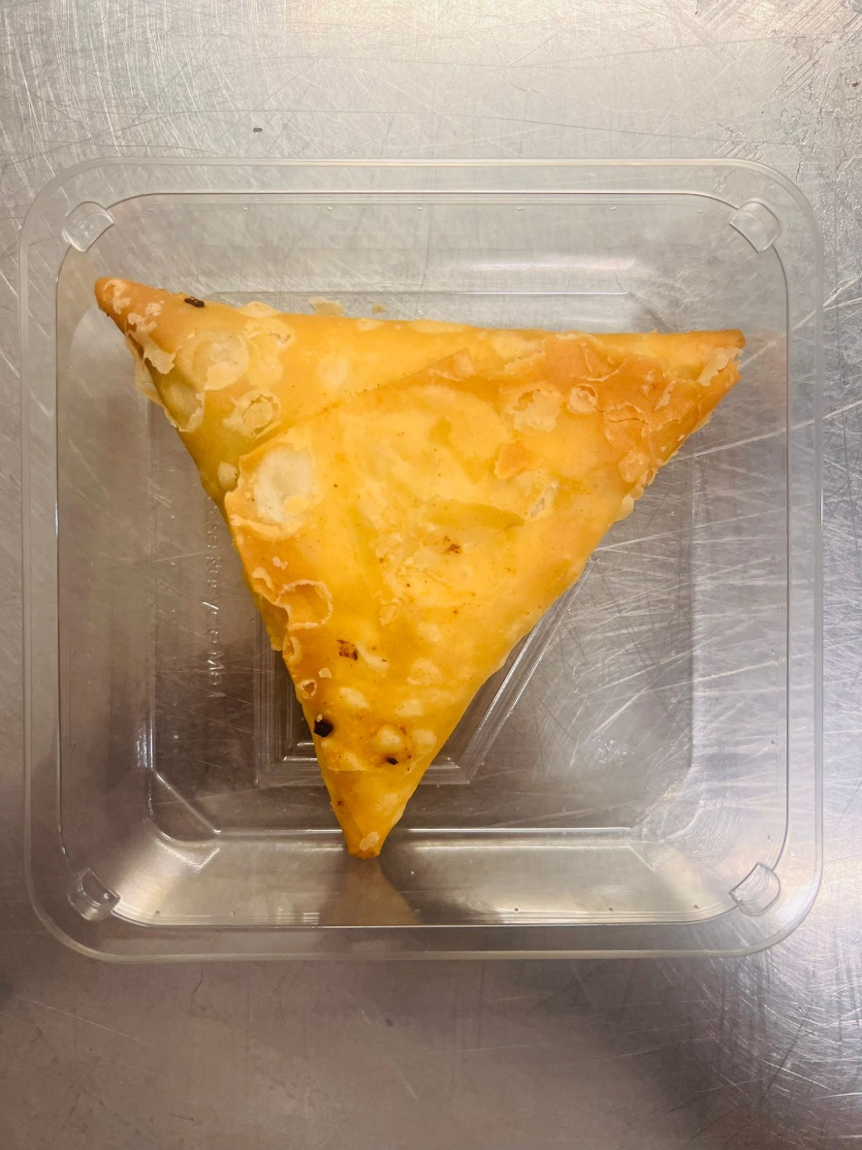

Tray: Grab & Go SQ Tray (141 X 141) PKESS001-09 |  |  |  |  | VEGETABLE SAMOSA (GFF003R) 100 g
Film: K peel 7G+25A/f-240mm (240mmX1000) (PKKMP001-08) |  |  |  |  | Total Weight: 100g
ALLERGY ALERT: WHEAT

